Sheet1
Monthly Payment |  |  | Due/Recv Requirement |  | $206,000.00 |  | DTI Analysis |  | 26.13% | 51.13% |  | Asset Analysis
Purchase Price | $650,000.00 |  | Asset Available |  | $136,000.00
1st Loan Amount | $450,000.00 |  |  |  |  |  | Income |  |  |  |  | Bank Accounts (Click to see detail) | + | $80,000.00
First Mortgage P & I: | $1,200.00 |  |  |  |  |  | Monthly Total Income (All Borrower) | + | $5,000.00 |  | all borrower income | Other Assets | + | $20,000.00
Homeowner's Insurance : | $100.00 |  | Purchase Price | $650,000.00 |  |  | Other Income (All Borrower) | + | $1,000.00 |  | all borrower other income | Total Credit | + | $11,000.00
Supplemental Prop. Ins : | $50.00 |  |  |  |  |  | Current Rental Income (75%) | + | $1,000.00 |  | current home owned | Gift Funds | + | $30,000.00
Property Tax | $350.00 |  | Total Loan Amount (1st & 2nd Loan) | $450,000.00 |  | B3+B16 | Subject property Rental Income (75%) | + | $1,000.00 |  | if purchase a rental house | Reserve Requirement (-) | + | -$5,000.00
Mortgage Insurance : | $180.00 |  | Total Credit | $11,000.00 |  | B29 | Total Income |  |  | $8,000.00 |  | Cash Available | = | $136,000.00 | Other credit field added
Association Dues : | $120.00 |  | Total deduction from the purchase price |  |  | $189,000.00
Other : | $90.00 |  |  |  |  |  | Liabilities
New Mortgage Total: | $2,090.00 |  | From/To Borrower | $189,000.00 |  |  | Monthly Debts (All Mortgage Monthly Debts) | + | $1,000.00 |  | all debts (Mortgage Payment)
 |  |  | Closing Cost (Section J) -Minus Discount Point | $12,000.00 |  |  | Monthly Other Debts (Except Mortgage) |  | $1,000.00
 |  |  | Discount Point | $5,000.00 |  |  | New Mortgage (PITIA) | + | $2,090.00 |  | Payment of 1st and 2nd Mortgage
Secound Loan |  |  | Payoff Debts | $0.00 |  |  | Total Liabilities | = |  | $4,090.00
Loan Amount | $0.00 |  | Payoff Mortgage & Heloc | $0.00
Interest Rate | 9.00% |  |  |  |  |  | Up Front DTI |  | 26.13% |  | =New Mortgage (PITIA) / Total Income
Term | 120 |  | Tota Closing Funds Needed |  |  | $206,000.00 | Back End DTI |  | 51.13% |  | =Total Liabilities/Total Income
Monthly Payment | $0.00

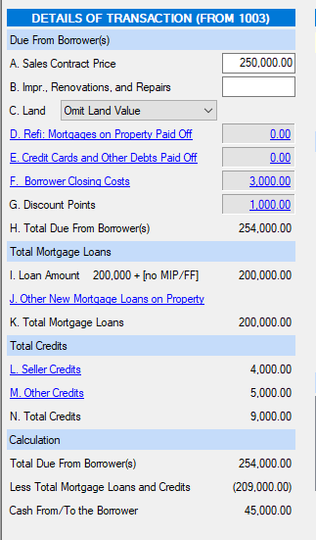
Credit Applied
Lender Credit | $1,000.00
Agent Credit | $1,000.00
Seller Credit | $6,000.00
Seller Credit (LE page 2), not counting seller pay for the Discount | $1,000.00
EMD Deposit | $1,000.00 | This should be syned from the LE page 2
Other Credit | $1,000.00 |  |  |  |  |  |  |  |  |  | if the purchase price show $0.00, that mean this is a refinance ! So there is no purchase down payment required. Its will be the total Loan amount - all expenses, if the purchase is higher then 1, which mean there will be loan amount to cover the all costs, if there are shortage, borrower will be responsible to pay
Up Front Mortgage Insurance Financed, see Section B
Total Credit | $11,000.00

Gift Funds Required | $5,000.00
Reserve required (-) | -$5,000.00
Subject Property Rental Income (75%)

Credit all enter here and sync if nessary
add a field Other Credit

